Sheet4
现金流净现值
MULTIPLE IRRs
Year | Cash flows
0 | -11,000
1 | 15,000
2 | 15,000
3 | 15,000
4 | 15,000
5 | 15,000
6 | 15,000
7 | 15,000
8 | 15,000
9 | 15,000
10 | -135,000

IRR | 1.86% | =IRR(B3:B13,0)
 | 135.99% | =IRR(B3:B13,3)

Data table
Rate | NPV
 |  | =NPV(A21,$B$4:$B$13)+$B$3
0.00% | -11,000.0000
10.00% | 23,337.0132
20.00% | 27,661.2438
30.00% | 24,492.3699
40.00% | 20,017.8226
50.00% | 15,878.5246
60.00% | 12,408.3843
70.00% | 9,578.2287
80.00% | 7,277.3728
90.00% | 5,394.8271
100.00% | 3,838.8672
110.00% | 2,538.2596
120.00% | 1,438.8176
130.00% | 499.4676
140.00% | -311.0622
150.00% | -1,016.7772
160.00% | -1,636.2898

Sheet16
PROBLEMS WITH XIRR
Discount rate | 22%
Net present value | 65.09 | =XNPV(B2,B9:B15,A9:A15)
IRR | #NUM! | =XIRR(B9:B15,A9:A15)
 | #NUM! | =XIRR(B9:B15,A9:A15,35%) | Data table: XNPV as function of discount rate
两个IRR
 | #NUM! | =XIRR(B9:B15,A9:A15,5%) | Discount | NPV
 |  |  |  | 65.09 | =B3
Date | Cash flow |  | 1% | -75.00
30-Jun-13 | -500 |  | 4% | -15.97
14-Feb-14 | 100 |  | 8% | 33.62
14-Feb-15 | 300 |  | 12% | 59.64
14-Feb-16 | 400 |  | 16% | 69.54
14-Feb-17 | 600 |  | 20% | 68.52
14-Feb-18 | 800 |  | 24% | 60.19
14-Feb-19 | -1800 |  | 28% | 47.09
 |  |  | 32% | 30.97
 |  |  | 36% | 13.10
 |  |  | 40% | -5.68
 |  |  | 44% | -24.75
 |  |  | 48% | -43.70
 |  |  | 52% | -62.25
 |  |  | 56% | -80.23

Sheet17
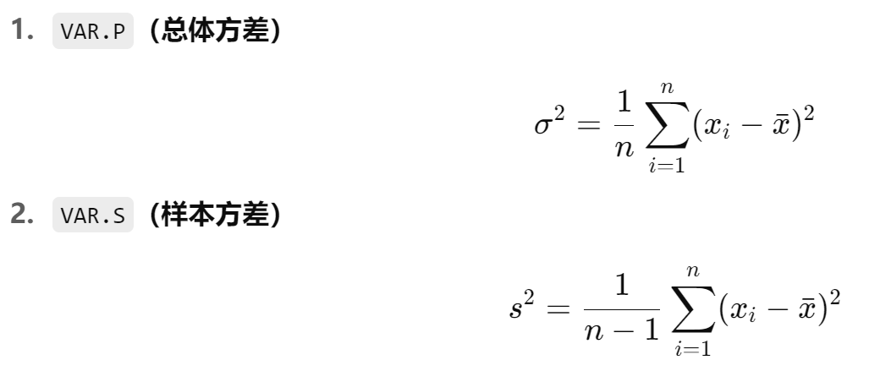
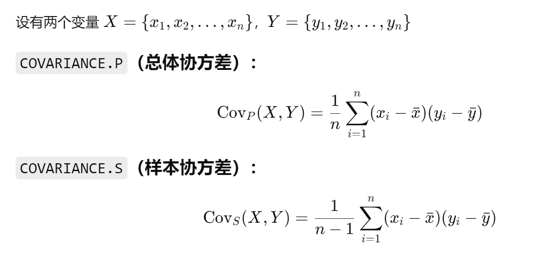
通过XY散点图作回归
BASIC STATISTICAL FUNCTIONS
Observation | X | Y
1 | 35.30 | 10.98
2 | 29.70 | 11.13
3 | 30.80 | 12.51
4 | 58.80 | 8.40
5 | 61.40 | 9.27
6 | 71.30 | 8.73
7 | 74.40 | 6.36
8 | 76.70 | 8.50
9 | 70.70 | 7.82
10 | 57.50 | 9.14

Average | 56.66 | 9.28 | =AVERAGE(C3:C12) | Correlation | -0.9049 | =CORREL(B3:B12,C3:C12)
Sample variance | 334.15 | 3.23 | =VAR.S(C3:C12) | Covariance | -26.7746 | =COVAR(B3:B12,C3:C12)
 | 334.15 | 3.23 | =VAR(C3:C12) |  | -29.7496 | =COVARIANCE.S(B3:B12,C3:C12)
Population variance | 300.73 | 2.91 | =VARP(C3:C12) |  | -26.7746 | =COVARIANCE.P(B3:B12,C3:C12)
 | 300.73 | 2.91 | =VAR.P(C3:C12)
Sample standard deviation | 18.28 | 1.80 | =STDEV.S(C3:C12) | Regression intercept | 14.3285 | =INTERCEPT(C3:C12,B3:B12)
 | 18.28 | 1.80 | =SQRT(C20) | Regression slope | -0.0890 | =SLOPE(C3:C12,B3:B12)
 | 18.28 | 1.80 | =STDEV(C3:C12) | Regression r-squared | 0.8189 | =RSQ(C3:C12,B3:B12)
Population standard deviation | 17.34 | 1.71 | =STDEV.P(C3:C12)
 | 17.34 | 1.71 | =STDEVP(C3:C12)
 | 17.34 | 1.71 | =SQRT(C22)

Sheet22
MANIPULATING APPLE STOCK RETURNS, PRICES USING DAVERAGE, DVAR, etc.
 |  |  |  | Criterion range (2 rows)
Date | AAPL | Return | Year | Date | AAPL | Return | Year
2001-09-07 | 7.69 |  |  |  |  |  | 2001
2001-10-01 | 8.70 | 12.34% | 2001
2001-11-01 | 10.56 | 19.38% | 2001 | Average | 11.47% | =DAVERAGE(A3:D140,3,F3:I4)
2001-12-03 | 10.85 | 2.71% | 2001 | Sigma | 8.37% | =DSTDEV(A3:D140,3,F3:I4)
2002-01-02 | 12.25 | 12.14% | 2002
2002-02-01 | 10.75 | -13.06% | 2002
AAPL收益2001-2012
2002-03-01 | 11.73 | 8.72% | 2002
2002-04-01 | 12.03 | 2.53% | 2002 | Table Data
2002-05-01 | 11.55 | -4.07% | 2002 |  | Average | Sigma
2002-06-03 | 8.78 | -27.42% | 2002 |  |  |  | =G7
2002-07-01 | 7.56 | -14.96% | 2002 | 2001 | 11.47% | 8.37%
2002-08-01 | 7.31 | -3.36% | 2002 | 2002 | -3.53% | 11.42%
2002-09-03 | 7.19 | -1.66% | 2002 | 2003 | 3.33% | 9.11%
2002-10-01 | 7.96 | 10.17% | 2002 | 2004 | 9.19% | 10.56%
2002-11-01 | 7.68 | -3.58% | 2002 | 2005 | 6.69% | 10.75%
2002-12-02 | 7.10 | -7.85% | 2002 | 2006 | 1.38% | 10.80%
2003-01-02 | 7.12 | 0.28% | 2003 | 2007 | 7.07% | 7.69%
2003-02-03 | 7.44 | 4.40% | 2003 | 2008 | -7.02% | 18.29%
2003-03-03 | 7.01 | -5.95% | 2003 | 2009 | 7.53% | 5.85%
2003-04-01 | 7.05 | 0.57% | 2003 | 2010 | 3.55% | 7.51%
2003-05-01 | 8.90 | 23.30% | 2003 | 2011 | 1.90% | 5.62%
2003-06-02 | 9.45 | 6.00% | 2003 | 2012 | 2.35% | 8.56%
2003-07-01 | 10.45 | 10.06% | 2003
2003-08-01 | 11.21 | 7.02% | 2003
2003-09-02 | 10.27 | -8.76% | 2003
2003-10-01 | 11.34 | 9.91% | 2003
2003-11-03 | 10.36 | -9.04% | 2003
2003-12-01 | 10.59 | 2.20% | 2003
2004-01-02 | 11.18 | 5.42% | 2004
2004-02-02 | 11.85 | 5.82% | 2004
2004-03-01 | 13.40 | 12.29% | 2004
2004-04-01 | 12.78 | -4.74% | 2004
2004-05-03 | 13.91 | 8.47% | 2004
2004-06-01 | 16.13 | 14.81% | 2004
2004-07-01 | 16.03 | -0.62% | 2004
2004-08-02 | 17.09 | 6.40% | 2004
2004-09-01 | 19.20 | 11.64% | 2004
2004-10-01 | 25.97 | 30.20% | 2004
2004-11-01 | 33.23 | 24.65% | 2004
2004-12-01 | 31.92 | -4.02% | 2004
2005-01-03 | 38.11 | 17.72% | 2005
2005-02-01 | 44.47 | 15.43% | 2005
2005-03-01 | 41.30 | -7.40% | 2005
2005-04-01 | 35.74 | -14.46% | 2005
2005-05-02 | 39.41 | 9.77% | 2005
2005-06-01 | 36.49 | -7.70% | 2005
2005-07-01 | 42.27 | 14.70% | 2005
2005-08-01 | 46.48 | 9.49% | 2005
2005-09-01 | 53.14 | 13.39% | 2005
2005-10-03 | 57.08 | 7.15% | 2005
2005-11-01 | 67.22 | 16.35% | 2005
2005-12-01 | 71.26 | 5.84% | 2005
2006-01-03 | 74.85 | 4.92% | 2006
2006-02-01 | 67.89 | -9.76% | 2006
2006-03-01 | 62.17 | -8.80% | 2006
2006-04-03 | 69.77 | 11.53% | 2006
2006-05-01 | 59.24 | -16.36% | 2006
2006-06-01 | 56.77 | -4.26% | 2006
2006-07-03 | 67.36 | 17.10% | 2006
2006-08-01 | 67.25 | -0.16% | 2006
2006-09-01 | 76.30 | 12.63% | 2006
2006-10-02 | 80.37 | 5.20% | 2006
2006-11-01 | 90.85 | 12.26% | 2006
2006-12-01 | 84.09 | -7.73% | 2006
2007-01-03 | 84.98 | 1.05% | 2007
2007-02-01 | 83.87 | -1.31% | 2007
2007-03-01 | 92.09 | 9.35% | 2007
2007-04-02 | 98.92 | 7.15% | 2007
2007-05-01 | 120.12 | 19.42% | 2007
2007-06-01 | 120.97 | 0.71% | 2007
2007-07-02 | 130.60 | 7.66% | 2007
2007-08-01 | 137.26 | 4.97% | 2007
2007-09-04 | 152.12 | 10.28% | 2007
2007-10-01 | 188.28 | 21.33% | 2007
2007-11-01 | 180.62 | -4.15% | 2007
2007-12-03 | 196.34 | 8.35% | 2007
2008-01-02 | 134.17 | -38.07% | 2008
2008-02-01 | 123.92 | -7.95% | 2008
2008-03-03 | 142.24 | 13.79% | 2008
2008-04-01 | 172.42 | 19.24% | 2008
2008-05-01 | 187.09 | 8.17% | 2008
2008-06-02 | 165.97 | -11.98% | 2008
2008-07-01 | 157.55 | -5.21% | 2008
2008-08-01 | 168.04 | 6.45% | 2008
2008-09-02 | 112.66 | -39.98% | 2008
2008-10-01 | 106.64 | -5.49% | 2008
2008-11-03 | 91.85 | -14.93% | 2008
2008-12-01 | 84.60 | -8.22% | 2008
2009-01-02 | 89.34 | 5.45% | 2009
2009-02-02 | 88.52 | -0.92% | 2009
2009-03-02 | 104.19 | 16.30% | 2009
2009-04-01 | 124.72 | 17.99% | 2009
2009-05-01 | 134.61 | 7.63% | 2009
2009-06-01 | 141.18 | 4.77% | 2009
2009-07-01 | 161.95 | 13.73% | 2009
2009-08-03 | 166.73 | 2.91% | 2009
2009-09-01 | 183.72 | 9.70% | 2009
2009-10-01 | 186.84 | 1.68% | 2009
2009-11-02 | 198.15 | 5.88% | 2009
2009-12-01 | 208.88 | 5.27% | 2009
2010-01-04 | 190.37 | -9.28% | 2010
2010-02-01 | 202.82 | 6.33% | 2010
2010-03-01 | 232.93 | 13.84% | 2010
2010-04-01 | 258.79 | 10.53% | 2010
2010-05-03 | 254.62 | -1.62% | 2010
2010-06-01 | 249.32 | -2.10% | 2010
2010-07-01 | 254.99 | 2.25% | 2010
2010-08-02 | 240.96 | -5.66% | 2010
2010-09-01 | 281.25 | 15.46% | 2010
2010-10-01 | 298.33 | 5.90% | 2010
2010-11-01 | 308.41 | 3.32% | 2010
2010-12-01 | 319.72 | 3.60% | 2010
2011-01-03 | 336.33 | 5.06% | 2011
2011-02-01 | 350.10 | 4.01% | 2011
2011-03-01 | 345.44 | -1.34% | 2011
2011-04-01 | 347.05 | 0.46% | 2011
2011-05-02 | 344.77 | -0.66% | 2011
2011-06-01 | 332.72 | -3.56% | 2011
2011-07-01 | 387.04 | 15.12% | 2011
2011-08-01 | 381.44 | -1.46% | 2011
2011-09-01 | 377.96 | -0.92% | 2011
2011-10-03 | 401.22 | 5.97% | 2011
2011-11-01 | 378.84 | -5.74% | 2011
2011-12-01 | 401.44 | 5.79% | 2011
2012-01-03 | 452.46 | 11.96% | 2012
2012-02-01 | 537.67 | 17.25% | 2012
2012-03-01 | 594.27 | 10.01% | 2012
2012-04-02 | 578.84 | -2.63% | 2012
2012-05-01 | 572.64 | -1.08% | 2012
2012-06-01 | 578.86 | 1.08% | 2012
2012-07-02 | 605.38 | 4.48% | 2012
2012-08-01 | 662.22 | 8.97% | 2012
2012-09-04 | 664.07 | 0.28% | 2012
2012-10-01 | 592.61 | -11.39% | 2012
2012-11-01 | 585.28 | -1.24% | 2012
2012-12-03 | 532.17 | -9.51% | 2012
2013-01-02 | 523.51 | -1.64% | 2013

Sheet23
XY散点图:WEN和MCD
REGRESSING WEN ON MCD
Date | MCD(x) | WEN(y)
1-Aug-05 | 4.01% | -8.97%
1-Sep-05 | 3.14% | -4.30%
3-Oct-05 | -5.78% | 3.42%
1-Nov-05 | 8.89% | 8.71%
1-Dec-05 | -0.36% | 8.44%
3-Jan-06 | 3.76% | 6.47%
1-Feb-06 | -0.29% | -1.52%
1-Mar-06 | -1.60% | 6.97%
3-Apr-06 | 0.62% | -0.45%
1-May-06 | -4.14% | -2.20%
1-Jun-06 | 1.29% | -3.35%
3-Jul-06 | 5.20% | 3.17%
1-Aug-06 | 1.41% | 6.29%
1-Sep-06 | 8.61% | 4.74%
2-Oct-06 | 6.90% | 9.76%
1-Nov-06 | 2.53% | -5.79%
1-Dec-06 | 5.47% | 1.59% | Regression using functions
3-Jan-07 | 0.05% | 2.58% | Intercept | 0.0038 | =INTERCEPT(C3:C26,B3:B26)
1-Feb-07 | -1.50% | -5.51% | Slope | 0.6381 | =SLOPE(C3:C26,B3:B26)
1-Mar-07 | 3.07% | -2.38% | R-squared | 0.1311 | =RSQ(C3:C26,B3:B26)
2-Apr-07 | 6.92% | 18.61%
1-May-07 | 4.59% | 6.57% | Note that
1-Jun-07 | 0.41% | -8.80% | Intercept | 0.0038 | =AVERAGE(C3:C26)-F21*AVERAGE(B3:B26)
2-Jul-07 | 3.37% | 1.11% | Slope | 0.6381 | =COVARIANCE.P(B3:B26,C3:C26)/VAR.P(B3:B26)
 |  |  |  | 0.6381 | =COVARIANCE.S(B3:B26,C3:C26)/VAR.S(B3:B26)
 |  |  | R-squared | 0.1311 | =CORREL(B3:B26,C3:C26)^2

Sheet28
USING LINEST TO DO A MULTIPLE REGRESSION
 | Observation | X1 | X2 | Y |  | Predicted Y
 | 1 | 35.3 | 81.2 | 10.98 |  | 11.4071 | =$E$15+$D$15*C3+$C$15*D3
 | 2 | 29.7 | 22.5 | 11.13 |  | 11.4394
 | 3 | 30.8 | 77.3 | 12.51 |  | 11.8166
 | 4 | 58.8 | 34.8 | 8.4 |  | 8.6770
 | 5 | 61.4 | 55.1 | 9.27 |  | 8.6004
 | 6 | 71.3 | 124.8 | 8.73 |  | 8.2413
 | 7 | 74.4 | 18.5 | 6.36 |  | 6.9932
 | 8 | 76.7 | 234.6 | 8.5 |  | 8.6817
 | 9 | 70.7 | 22.5 | 7.82 |  | 7.3937
 | 10 | 57.5 | 123.3 | 9.14 |  | 9.5897

 |  | x2 coeff. | x1 coeff. | intercept
 | Slope --> | 0.0089 | -0.0987 | 14.1705 | <-- Intercept
 | Standard error --> | 0.0030 | 0.0110 | 0.6271
 | R2 --> | 0.9196 | 0.5783 | #N/A
 | F statistic --> | 40.0228 | 7.0000 | #N/A
 | SSxy --> | 26.7674 | 2.3408 | #N/A

 |  | =LINEST(E3:E12,C3:D12,TRUE,TRUE)

